Sheet1
14-Mar-20 | 2020 Michigan APF State Meet-Kg Heavy Weight Men's Full Power Results
Name | Age | Div | BWt (Kg) | WtCls (Kg) | Glossbrenner | Squat 1 | Squat 2 | Squat 3 | Best Squat | Bench 1 | Bench 2 | Bench 3 | Best Bench | Sub Total | Deadlift 1 | Deadlift 2 | Deadlift 3 | Best Deadlift | PL Total | Coeff Score | Age & Coeff | Pl-Div-WtCl | Team
Bob Jacobson (AAPF) | 62 | M_MCR_5_AAPF | 93.1 | 100 | 0.60095 | 115 | 122.5 | 130 | 130 | -117.5 | 117.5 | 125 | 125 | 255 | 140 | 0 | 0 | 140 | 395 | 237.37525 | 330.66372325 | 1-M_MCR_5_AAPF-100 | Jakes Gym
Bob Jacobson (APF) | 62 | M_MCR_5_APF | 93.1 | 100 | 0.60095 | 115 | 122.5 | 130 | 130 | -117.5 | 117.5 | 125 | 125 | 255 | 140 | 0 | 0 | 140 | 395 | 237.37525 | 330.66372325 | 1-M_MCR_5_APF-100 | Jakes Gym
David Kielwasser | 62 | M_MCR_5_APF | 107.1 | 110 | 0.56695 | 160 | 170 | 182.5 | 182.5 | 110 | -120 | 125 | 125 | 307.5 | 185 | 197.5 | 202.5 | 202.5 | 510 | 289.1445 | 402.7782885 | 1-M_MCR_5_APF-110 | Infinite Iron
Craig Zenner | 57 | M_MES_4_AAPF | 108.5 | 110 | 0.5647 | 215 | 227.5 | 237.5 | 237.5 | 150 | 157.5 | 162.5 | 162.5 | 400 | 215 | 230 | 235 | 235 | 635 | 358.5845 | 454.685146 | 1-M_MES_4_AAPF-110
David Emeott | 50 | M_MES_3_APF | 98.3 | 100 | 0.5856 | 265 | 287.5 | -302.5 | 287.5 | 185 | -200 | -200 | 185 | 472.5 | 182.5 | 205 | 227.5 | 227.5 | 700 | 409.92 | 463.2096 | 1-M_MES_3_APF-100 | XXX Powerlifting
Steve Ulch (AAPF) | 50 | M_MCR_3_AAPF | 136.8 | 140 | 0.53385 | 245 | -260 | 260 | 260 | 180 | 182.5 | 187.5 | 187.5 | 447.5 | 250 | 260 | -272.5 | 260 | 707.5 | 377.698875 | 426.79972875 | 1-M_MCR_3_AAPF-140
Steve Ulch (APF) | 50 | M_MCR_3_APF | 136.8 | 140 | 0.53385 | 245 | -260 | 260 | 260 | 180 | 182.5 | 187.5 | 187.5 | 447.5 | 250 | 260 | -272.5 | 260 | 707.5 | 377.698875 | 426.79972875 | 1-M_MCR_3_APF-140
Brian Budzinski | 49 | M_MCR_2_APF | 134.1 | 140 | 0.53635 | 292.5 | 302.5 | 317.5 | 317.5 | 197.5 | 205 | 212.5 | 212.5 | 530 | 260 | 270 | 280 | 280 | 810 | 434.4435 | 483.5356155 | 1-M_MCR_2_APF-140 | Battlegrounds
Joe Fargo (Masters) | 41 | M_MES_1_APF | 99.6 | 100 | 0.5823 | 250 | -275 | -275 | 250 | 277.5 | 282.5 | -287.5 | 282.5 | 532.5 | 237.5 | 250 | 260 | 260 | 792.5 | 461.47275 | 466.0874775 | 1-M_MES_1_APF-100 | Pride Barbell Club
Daniel Hernandez | 41 | M_MCR_1_AAPF | 119.5 | 125 | 0.55145 | 195 | 207.5 | -217.5 | 207.5 | 100 | -105 | 105 | 105 | 312.5 | 205 | 215 | -227.5 | 215 | 527.5 | 290.889875 | 293.79877375 | 1-M_MCR_1_AAPF-125
Josh Bolin | 43 | M_MCR_1_AAPF | 127.3 | 140 | 0.543 | 230 | 270 | 285 | 285 | 145 | -160 | -160 | 145 | 430 | 250 | 275 | 295 | 295 | 725 | 393.675 | 405.878925 | 1-M_MCR_1_AAPF-140
Aaron Brown | 43 | M_MCR_1_APF | 120.3 | 125 | 0.55065 | 272.5 | 287.5 | -292.5 | 287.5 | 0 | 0 | 0 | 0 | 0 | 0 | 0 | 0 | 0 | 0 | 0 | 0 | 0
Michael Baldridge | 42 | M_MCR_1_APF | 150.6 | SHW | 0.52265 | 165 | 185 | 197.5 | 197.5 | 165 | -182.5 | 0 | 165 | 362.5 | 165 | 182.5 | 197.5 | 197.5 | 560 | 292.684 | 298.53768 | 1-M_MCR_1_APF-SHW
Edward King | 40 | M_MR_1_AAPF | 123 | 125 | 0.54775 | -225 | -225 | 225 | 225 | 152.5 | 160 | -167.5 | 160 | 385 | 265 | 277.5 | 285 | 285 | 670 | 366.9925 | 366.9925 | 1-M_MR_1_AAPF-125
Michael Ferguson | 38 | M_SCR_AAPF | 99.3 | 100 | 0.58305 | 192.5 | 205 | 210 | 210 | 127.5 | 137.5 | -142.5 | 137.5 | 347.5 | 70 | 0 | 0 | 70 | 417.5 | 243.423375 | 0 | 1-M_SCR_AAPF-100
Joe Larger | 35 | M_SCR_AAPF | 121.2 | 125 | 0.5497 | 227.5 | -247.5 | 247.5 | 247.5 | 145 | 160 | 162.5 | 162.5 | 410 | 227.5 | 247.5 | 255 | 255 | 665 | 365.5505 | 0 | 1-M_SCR_AAPF-125
Matthew Zvonar | 36 | M_SR_APF | 108.6 | 110 | 0.56455 | 160 | 167.5 | 180 | 180 | 125 | 135 | 140 | 140 | 320 | 190 | 202.5 | 215 | 215 | 535 | 302.03425 | 0 | 1-M_SR_APF-110
Nico Candela | 21 | M_JCR_AAPF | 140.5 | SHW | 0.53065 | 295 | 320 | 332.5 | 332.5 | 182.5 | 197.5 | -207.5 | 197.5 | 530 | 267.5 | -287.5 | 287.5 | 287.5 | 817.5 | 433.806375 | 0 | 1-M_JCR_AAPF-SHW
Austin Wielgosz | 20 | M_JCR_APF | 93.3 | 100 | 0.6003 | 202.5 | 212.5 | 217.5 | 217.5 | 140 | 145 | -152.5 | 145 | 362.5 | 202.5 | 217.5 | 230 | 230 | 592.5 | 355.67775 | 0 | 1-M_JCR_APF-100 | Battlegrounds Strength Training
Jacob Avery | 21 | M_JCR_APF | 100.9 | 110 | 0.58035 | 197.5 | 202.5 | 212.5 | 212.5 | 137.5 | 142.5 | -147.5 | 142.5 | 355 | 180 | 187.5 | 192.5 | 192.5 | 547.5 | 317.741625 | 0 | 1-M_JCR_APF-110 | Battlegrounds Strength Training
Noah Perez | 20 | M_JCR_APF | 122.8 | 125 | 0.548 | 240 | 247.5 | 252.5 | 252.5 | 130 | 135 | -140 | 135 | 387.5 | 220 | -227.5 | 0 | 220 | 607.5 | 332.91 | 0 | 1-M_JCR_APF-125 | Battlegrounds
Hunter Tobey | 23 | M_JR_AAPF | 98 | 100 | 0.58635 | 192.5 | 220 | 230 | 230 | 132.5 | 142.5 | -150 | 142.5 | 372.5 | 207.5 | 237.5 | -242.5 | 237.5 | 610 | 357.6735 | 0 | 1-M_JR_AAPF-100
Trevor Kelly | 22 | M_JR_APF | 97.1 | 100 | 0.58885 | 175 | 185 | 195 | 195 | 125 | -142.5 | -142.5 | 125 | 320 | 205 | -227.5 | -227.5 | 205 | 525 | 309.14625 | 0 | 1-M_JR_APF-100
Stephen Lee | 21 | M_JR_APF | 94.9 | 100 | 0.59685 | 145 | 157.5 | 170 | 170 | 102.5 | -107.5 | 107.5 | 107.5 | 277.5 | 190 | 197.5 | -205 | 197.5 | 475 | 283.50375 | 0 | 2-M_JR_APF-100
Jered Moreland | 19 | M_TCR_3_AAPF | 120.6 | 125 | 0.55035 | 237.5 | 265 | 0 | 265 | 160 | 175 | 182.5 | 182.5 | 447.5 | 282.5 | 307.5 | -317.5 | 307.5 | 755 | 415.51425 | 0 | 1-M_TCR_3_AAPF-125
Justin Sargent | 18 | M_TR_3_AAPF | 107.2 | 110 | 0.56675 | 180 | 187.5 | 192.5 | 192.5 | 140 | -142.5 | 0 | 140 | 332.5 | 220 | 225 | -227.5 | 225 | 557.5 | 315.963125 | 0 | 1-M_TR_3_AAPF-110 | Juggernaut
Joe Fargo | 41 | M_OES_APF | 99.6 | 100 | 0.5823 | 250 | -275 | -275 | 250 | 277.5 | 282.5 | -287.5 | 282.5 | 532.5 | 237.5 | 250 | 260 | 260 | 792.5 | 461.47275 | 466.0874775 | 1-M_OES_APF-100 | Pride Barbell Club
John Kalil | 24 | M_OEM_AAPF | 107.4 | 110 | 0.56645 | 317.5 | -335 | -335 | 317.5 | 240 | -252.5 | -252.5 | 240 | 557.5 | -240 | -250 | 267.5 | 267.5 | 825 | 467.32125 | 0 | 1-M_OEM_AAPF-110 | Strength Depot
Aaron Huff | 25 | M_OEM_APF | 94.4 | 100 | 0.59675 | 320 | -335 | 335 | 335 | -200 | -200 | 205 | 205 | 540 | -265 | -265 | 265 | 265 | 805 | 480.38375 | 0 | 1-M_OEM_APF-100 | Pride Barbell Club | Men's Heavyweight Equipped Best Lifter
Justin Healy | 39 | M_OEM_APF | 138.4 | 140 | 0.53245 | 387.5 | 410 | -430 | 410 | -260 | -272.5 | -272.5 | 0 | 0 | 0 |  |  | 0 | 0 | 0 | 0 | 0 | RPG
Charlie Oliver | 25 | M_OCR_AAPF | 95.6 | 100 | 0.59315 | 215 | 227.5 | 232.5 | 232.5 | 145 | 155 | 160 | 160 | 392.5 | 235 | 247.5 | 250 | 250 | 642.5 | 381.098875 | 0 | 1-M_OCR_AAPF-100 | Pride Barbell Club
Marty Schafer | 32 | M_OCR_AAPF | 93.1 | 100 | 0.60095 | 212.5 | 230 | 237.5 | 237.5 | 132.5 | 145 | 160 | 160 | 397.5 | 200 | 210 | -220 | 210 | 607.5 | 365.077125 | 0 | 2-M_OCR_AAPF-100
Matthew Spohr | 25 | M_OCR_AAPF | 107 | 110 | 0.5671 | 252.5 | 262.5 | 270 | 270 | 190 | 197.5 | 207.5 | 207.5 | 477.5 | 257.5 | 267.5 | 272.5 | 272.5 | 750 | 425.325 | 0 | 1-M_OCR_AAPF-110
Brandon Helle | 25 | M_OCR_AAPF | 109.6 | 110 | 0.5631 | 270 | 280 | -287.5 | 280 | 147.5 | 157.5 | 0 | 157.5 | 437.5 | 237.5 | 247.5 | -250 | 247.5 | 685 | 385.7235 | 0 | 2-M_OCR_AAPF-110 | Blueline Barbell Club
Casey Coleman | 30 | M_OCR_AAPF | 102.8 | 110 | 0.575 | 210 | 220 | 230 | 230 | 140 | 147.5 | -155 | 147.5 | 377.5 | 215 | 225 | -240 | 225 | 602.5 | 346.4375 | 0 | 3-M_OCR_AAPF-110
Chris Hockemeyer | 31 | M_OCR_AAPF | 123.2 | 125 | 0.54755 | 300 | 320 | -327.5 | 320 | 175 | 182.5 | -185 | 182.5 | 502.5 | 280 | 292.5 | -310 | 292.5 | 795 | 435.30225 | 0 | 1-M_OCR_AAPF-125 | RPG | AAPF Men's Heavyweight Classic Raw Best Lifter
Derek Nichols | 36 | M_OCR_APF | 98.5 | 100 | 0.58505 | 295 | 312.5 | 327.5 | 327.5 | 160 | -167.5 | -167.5 | 160 | 487.5 | 277.5 | 295 | -307.5 | 295 | 782.5 | 457.801625 | 0 | 1-M_OCR_APF-100 | RPG
Phoenix Spencer | 29 | M_OCR_APF | 99.7 | 100 | 0.58205 | -200 | 200 | -232.5 | 200 | 137.5 | 147.5 | -152.5 | 147.5 | 347.5 | 227.5 | 240 | -255 | 240 | 587.5 | 341.954375 | 0 | 2-M_OCR_APF-100 | RPG
Scott Ensel | 24 | M_OCR_APF | 99.1 | 100 | 0.58355 | 182.5 | 192.5 | 200 | 200 | 120 | 127.5 | -135 | 127.5 | 327.5 | 232.5 | 247.5 | -262.5 | 247.5 | 575 | 335.54125 | 0 | 3-M_OCR_APF-100
Zachary Edwards | 26 | M_OCR_APF | 93.8 | 100 | 0.5987 | 165 | 175 | 190 | 190 | 102.5 | 112.5 | -115 | 112.5 | 302.5 | -197.5 | -197.5 | -197.5 | 0 | 0 | 0 | 0 | 0
Torin MacGregor | 25 | M_OCR_APF | 108.6 | 110 | 0.56455 | 317.5 | 340 | -352.5 | 340 | 190 | 202.5 | -207.5 | 202.5 | 542.5 | 310 | 325 | -330 | 325 | 867.5 | 489.747125 | 0 | 1-M_OCR_APF-110 | Michigan Barbenders / RPG | APF Men's Heavyweight Classic Raw Best Lifter
Trevor Hamilton | 27 | M_OCR_APF | 109.6 | 110 | 0.5631 | 300 | 322.5 | 332.5 | 332.5 | 182.5 | 197.5 | 205 | 205 | 537.5 | 277.5 | 305 | -310 | 305 | 842.5 | 474.41175 | 0 | 2-M_OCR_APF-110
Brian Scott | 37 | M_OCR_APF | 106 | 110 | 0.56885 | 272.5 | -290 | -290 | 272.5 | 180 | 190 | 195 | 195 | 467.5 | 265 | 275 | 285 | 285 | 752.5 | 428.059625 | 0 | 3-M_OCR_APF-110
...
2020 Michigan APF/AAPF State Meet |  |  |  |  |  |  | DIVISIONS
State Chair: Mike Szudarek |  | M_OR_APF | Male Open Raw APF
Meet Director: Steve Stuecher |  | M_OR_AAPF | Male Open Raw AAPF
Presented by: Rochester Performance Gym |  | M_OCR_APF | Male Open Classic Raw APF
 |  | M_OCR_AAPF | Male Open Classic Raw AAPF
Rochester Hills Banquet Center |  | M_OEM_APF | Male Open Equipped Multiply APF
1919 Star Batt Dr. |  | M_OEM_AAPF | Male Open Equipped Multiply AAPF
Rochester Hills, MI 48309 |  | M_OES_APF | Male Open Equipped Single-Ply APF
 |  | M_OES_AAPF | Male Open Equipped Single-Ply AAPF
March 14-15, 2020 |  | M_TR_1_APF | Male Teen 1 Raw APF: 13-15
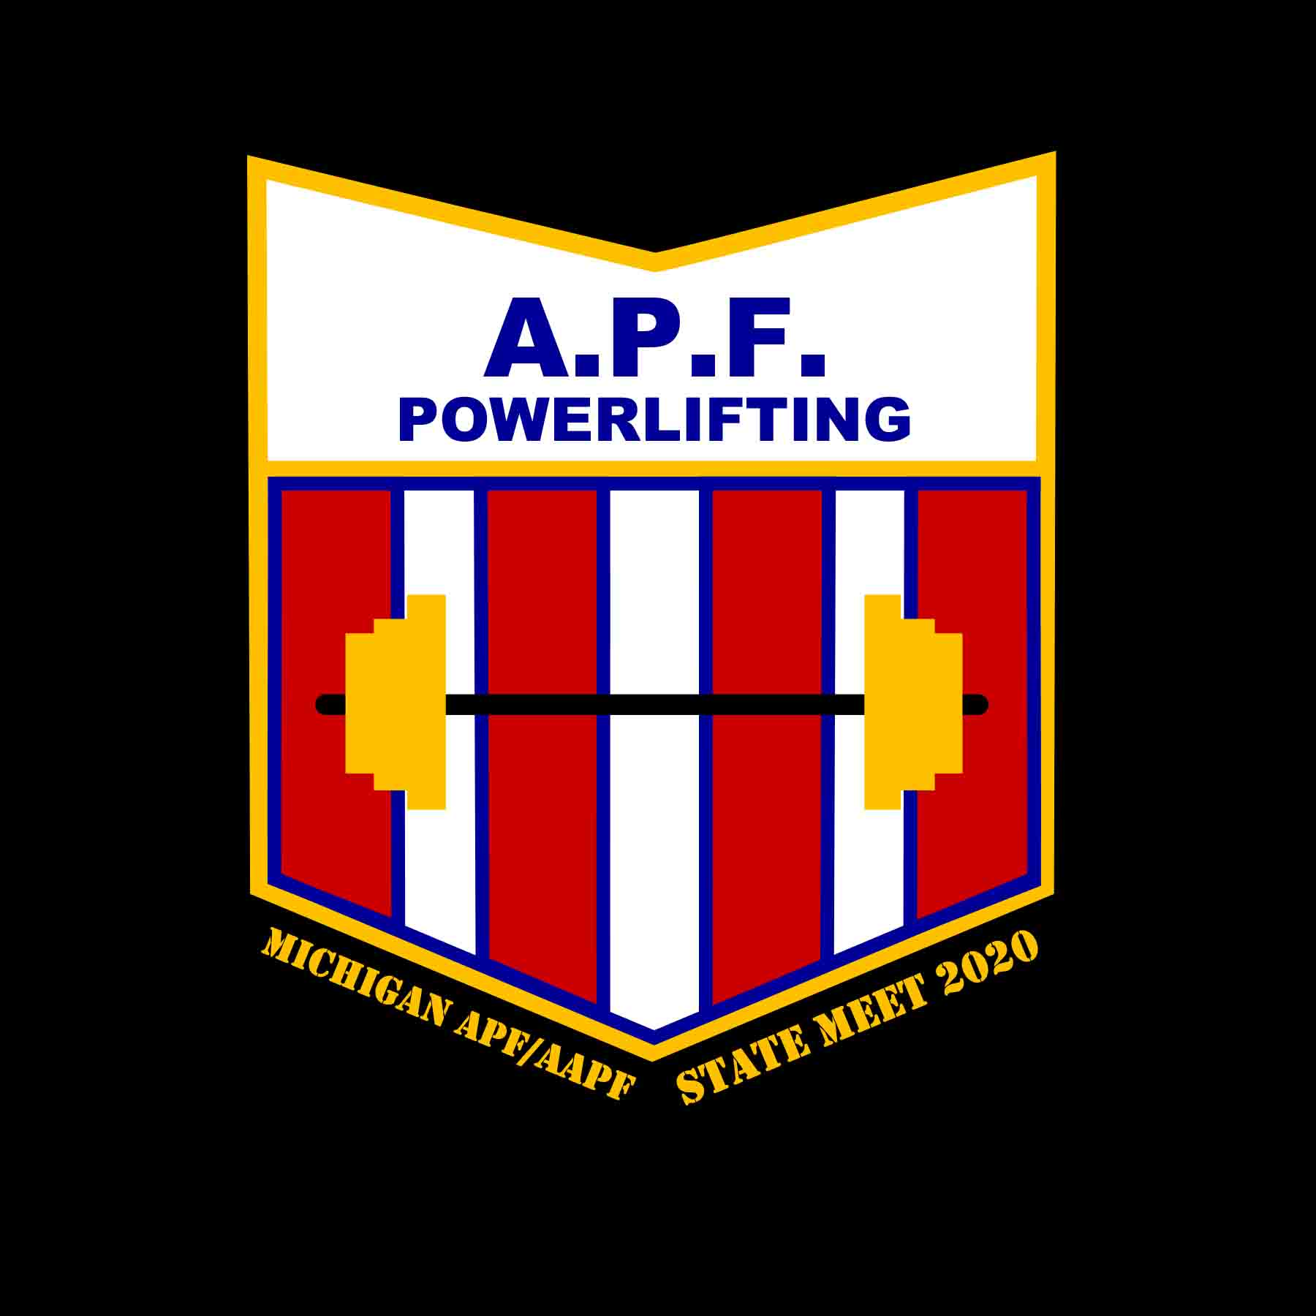
 |  | M_TR_1_AAPF | Male Teen 1 Raw AAPF: 13-15
 |  | M_TCR_1_APF | Male Teen 1 Classic Raw APF: 13-15
 |  | M_TCR_1_AAPF | Male Teen 1 Classic Raw AAPF: 13-15
 |  | M_TEM_1_APF | Male Teen 1 Equipped Multiply APF: 13-15
 |  | M_TEM_1_AAPF | Male Teen 1 Equipped Multiply AAPF: 13-15
 |  | M_TES_1_APF | Male Teen 1 Equipped Single-Ply APF: 13-15
 |  | M_TES_1_AAPF | Male Teen 1 Equipped Single-PlyAAPF: 13-15
 |  | M_TR_2_APF | Male Teen 2 Raw APF: 16-17
 |  | M_TR_2_AAPF | Male Teen 2 Raw AAPF: 16-17
 |  | M_TCR_2_APF | Male Teen 2 Classic Raw APF: 16-17
 |  | M_TCR_2_AAPF | Male Teen 2 Classic Raw AAPF: 16-17
 |  | M_TEM_2_APF | Male Teen 2 Equipped Multiply APF: 16-17
 |  | M_TEM_2_AAPF | Male Teen 2 Equipped Multiply AAPF: 16-17
 |  | M_TES_2_APF | Male Teen 2 Equipped Single-Ply APF: 16-17
 |  | M_TES_2_AAPF | Male Teen 2 Equipped Single-Ply AAPF: 16-17
 |  | M_TR_3_APF | Male Teen 3 Raw APF: 18-19
 |  | M_TR_3_AAPF | Male Teen 3 Raw AAPF: 18-19
 |  | M_TCR_3_APF | Male Teen 3 Classic Raw APF: 18-19
 |  | M_TCR_3_AAPF | Male Teen 3 Classic Raw AAPF: 18-19
 |  | M_TEM_3_APF | Male Teen 3 Equipped Mulitply APF: 18-19
 |  | M_TEM_3_AAPF | Male Teen 3 Equipped Mulitply AAPF: 18-19
 |  | M_TES_3_APF | Male Teen 3 Equipped Single-Ply APF: 18-19
...

